PO
PURCHASE ORDER
EXPORTER: |  |  | Invoice Date : | 13-May-18
 |  |  | Invoice No: | BGF-1305/18

IMPORTER REPRESENTATIVE |  | DELIVER TO:

PAYMENT TERMS | SHIPMENT TERMS |  | SHIPMENT MODE | CURRENCY
100% CASH ADVANCE | EX-FACTORY |  | BY SEA | AED

Description | Quantity | UM | Unit Price | Total Price

Amount in Words: |  |  | SUBTOTAL
 |  |  | OTHER
 |  |  | TOTAL


REMARKS:
Packaging:
Origin:
Loading Port:
Discharge Port:

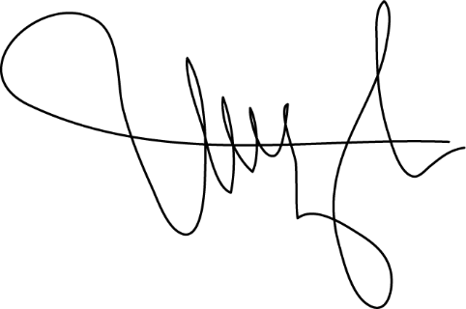

 |  | AUTHORIZED SIGNATORY:

SQ
SALES QUOTATION
EXPORTER: |  |  | Invoice Date : | 13-May-18
 |  |  | Invoice No: | BGF-1305/18

IMPORTER REPRESENTATIVE |  | DELIVER TO:

PAYMENT TERMS | SHIPMENT TERMS |  | SHIPMENT MODE | CURRENCY
100% CASH ADVANCE | EX-FACTORY |  | BY SEA | AED

Description | Quantity | UM | Unit Price | Total Price

Amount in Words: |  |  | SUBTOTAL
 |  |  | OTHER
 |  |  | TOTAL
REMARKS:
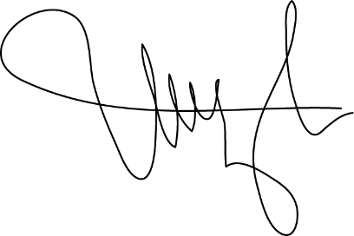
Packaging:
Origin:
Loading Port:
Discharge Port:

 |  | AUTHORIZED SIGNATORY:

